Sheet1
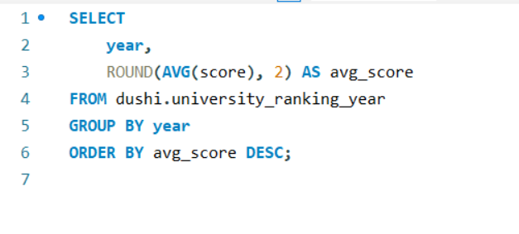
How have the weights of ranking criteria changed over time?

Sheet2
average score for different years
year | avg_score
2015 | 306.68
2014 | 296.82
2016 | 65.19
2013 | 54.72
2012 | 53.1
2011 | 49.43
2005 | 35.89
2006 | 35.78
2008 | 35.7
2009 | 35.53
2007 | 35.41
2010 | 35.11

